1. Title Page
Instacart Grocery Basket Analysis
]

Project Name: Instacart Grocery Basket Analysis
Date: 14/09/2023
Analyst Name: Jean-Claude du Sart

Contents:
Population Flow
Consistency checks
Wrangling steps
Column derivations
Visualizations
Recommendations

Data Citation
“The Instacart Online Grocery Shopping Dataset 2017”, Accessed from www.instacart.com/datasets/grocery-shopping-2017 via Kaggle

2. Population Flow
Title page

Population flow

Exclusion flag
Condition: max_order <
Obervations to be removed:
Final total count of order_products_all:

Orders_products_combined
Orders_products_merged
Orders_products_all

Total: 32,434,489
Total: 32,434,489
Total: 32,434,489

1.) The grey boxes in the first row of the population flow represent the original data sets as they were when you downloaded them. In the Total fields you need to add the count of the rows when you imported the data set into Jupyter.
2.) The second row of boxes (coloured) represents the data sets after you manipulated them, e.g., removed missing values and duplicates. In the Total fields you need to add the count of the rows after conducting these operations. This offers a visual oveview of how the data flows throughout the data consistency checks.
3.) The third row, where also the arrows are coloured, represents the merges you performed between the datasets. In the Total fields you need to add the count of the rows in the merged datasets, so that you end up with the final dataset (in the red box). Keep in mind the final dataset should be without exclusions (based on the exclusion flag).

3. Consistency checks
 |  |  |  | Title page
Consistency checks

Dataset | Missing values | Missing values treatment | Duplicates
orders | 206,209 NaN under days_since_prior_order column | these NaN are for the first order of each customer; they are not errors to be removed
products | 16 missing values for the product_name column | Created new dataframe without missing values | 5 duplicates; created new dataframe without duplicates
customers | 11259 values in 'first_name' column | No treatment. The null values should not impact analysis.

4. Wrangling steps
 |  |  |  |  | Title page
Wrangling steps

Data Set | Columns dropped | Columns renamed | Columns' type changed | Comment/Reason
orders | 'eval_set' |  |  | Unnecessary/extraneous column
orders |  | order_dow |  | changed to 'order_day_of_week'
customers |  | First Name |  | changed to 'first_name' for consistency across column headings
customers |  | Surnam |  | changed to 'last_name' for clarity and consistency
customers |  | Gender |  | changed to 'gender' to remove all caps for consistency across column headings
customers |  | STATE |  | changed to 'state' to remove all caps for consistency across column headings
customers |  | Age |  | changed to 'age' to remove upper case for consistency across column headings
customers |  | n_dependants |  | changed to 'number_of_dependent' for clarity and spelling correction
customers |  | fam_status |  | changed to 'marital_status' for clarity
 |  |  | first_name | changed to string to correct mixed data type issue
orders_product_customers | first_name |  |  | PII data removed
orders_product_customers | last_name |  |  | PII date removed

5. Column derivations
 |  |  |  | Title page

Column derivations and aggregations

In this tab you should add tables below that the frequences of flags/label variables that you produced after deriving them. NB: don't do this for continuous variables, only for flags.
Dataset | New column | Column/s it was derived from | Conditions
ords_prods_merged | price_range_loc | prices | Low-range product: <= 5 Mid-range product: >5 and <=15 High-range product: > 15
ords_prods_merged | busiest_day | orders_day_of_the_week | Busiest day: 0, Least busy: 4 Regularly busy: all other values
ords_prods_merged | busiest_period_of_day | order_hour_of_day | Most orders: [10, 11, 14, 15, 13, 12, 16, 9] Fewest orders: [23, 6, 0, 1, 5, 2, 4, 3] Average orders: all other values
ords_prods_merge | loyalty_flag | max_order | Loyal customer: value > 40 Regular customer: value<=40 and >10 New customer: value <10
ords_prods_merge | spending_flag | mean_price | Low spender: < 10 High spender: >=10
ords_prods_merge | frequency_flag | median_days | Frequent customer: > 20 Regular customer: > 10 and <= 20 Non-frequent customer: <=10
cust_ords_prods | region | states | Northeast: ['Maine', 'New Hampshire', 'Vermont', 'Massachusetts', 'Rhode Island', 'Connecticut', 'New York', 'Pennsylvania', 'New Jersey'] Midwest: ['Wisconsin', 'Michigan', 'Illinois', 'Indiana', 'Ohio', 'North Dakota', 'South Dakota', 'Nebraska', 'Kansas', 'Minnesota', 'Iowa', 'Missouri'] South: ['Delaware', 'Maryland', 'District of Columbia', 'Virginia', 'West Virginia', 'North Carolina', 'South Carolina', 'Georgia', 'Florida', 'Kentucky', 'Tennessee', 'Mississippi', 'Alabama', 'Oklahoma', 'Texas', 'Arkansas', 'Louisiana'] Wes: ['Idaho', 'Montana', 'Wyoming', 'Nevada', 'Utah', 'Colorado', 'Arizona', 'New Mexico', 'Alaska', 'Washington', 'Oregon', 'California', 'Hawaii'] * See below for accredidation
cust_ords_prods | low_activity_customers | max_order | # for-loop if-statement: assign 'drop' to customers with <=5 'max_order' result = [] for max_order in df_ords_prods_merged['max_order']: if max_order <=5: result.append('exclude') else: result.append('keep') Low_activity_customers: < 5
high_act_cust | age_group | age | result = [] for Age in keep['Age']: if Age >18 and Age <=24: result.append('18-24') elif Age <=34: result.append('25-34') elif Age <=44: result.append('35-44') elif Age <=54: result.append('45-54') elif Age <=64: result.append('55-64') elif Age >=65: result.append('65+') else: result.append('error') 30-39: > 29 and < 40 40-49: > 30 and < 50 50-59: > 49 and < 60 60-69: > 59 and < 70 70 and over: > 69
high_act_cust | income_group | income | # Income breakdown for working, middle, upper and high wealth keep.loc[keep['income'] <= 75000, 'income_group'] = 'Working' keep.loc[(keep['income'] > 75000) & (keep['income'] < 120001), 'income_group'] = 'Middle' keep.loc[(keep['income'] > 120000) & (keep['income'] < 400001), 'income_group'] = 'Upper' keep.loc[keep['income'] > 400000, 'income_group'] = 'High Wealth' Middle: > 75,000 and <120,001 Upper: > 120,000 and < 400,001 High Wealth: > 400,000 ** See below for accredidation
cust_depts_merged | family_type | fam_status num_dependents | # Creating family type groupings keep.loc[(keep['fam_status'].isin(['divorced/widowed', 'living with parents and siblings', 'single'])) & (keep['n_dependants'] == 0), 'family_type'] = 'single no dependants' keep.loc[(keep['fam_status'].isin(['divorced/widowed', 'living with parents and siblings', 'single'])) & (keep['n_dependants'] > 0), 'family_type'] = 'single with dependants' keep.loc[(keep['fam_status'] == 'married') & (keep['n_dependants'] == 1), 'family_type'] = 'married no dependants' keep.loc[(keep['fam_status'] == 'married') & (keep['n_dependants'] > 1), 'family_type'] = 'married with dependants'

6. Visualizations
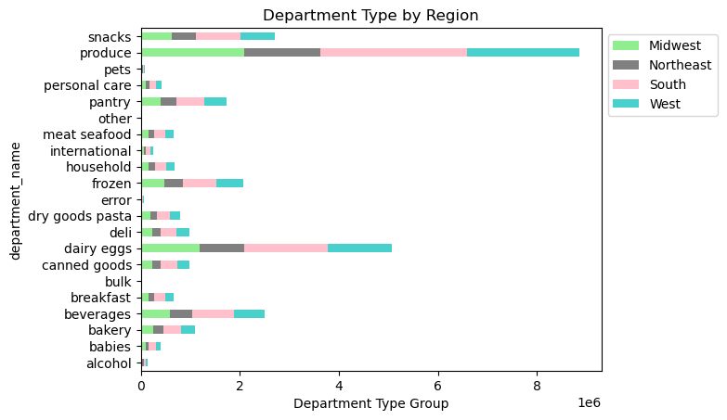
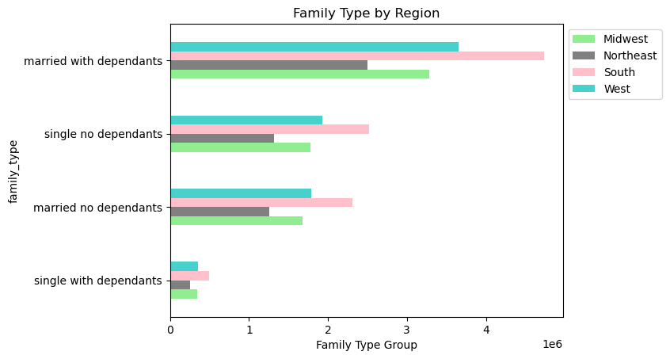
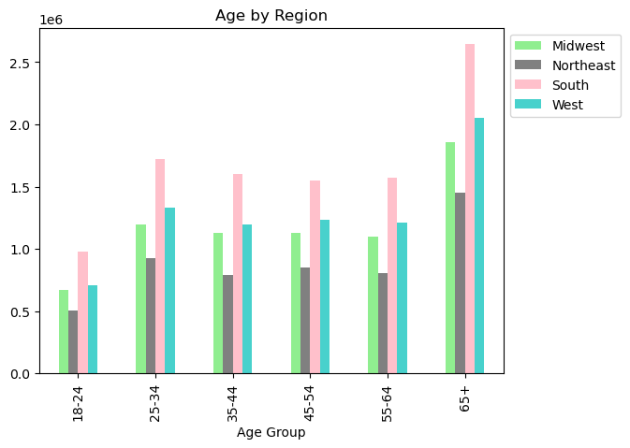
 |  |  | Title page

Visualisations

In this tab you should include all the visualtions from Exercises 4.9 and 4.10, alongside the questions from the project brief that they answer. Include any commentary on the relationship between different variables.

1. The sales team needs to know what the busiest days of the week and hours of the day are (i.e., the days and times with the most orders) in order to schedule ads at times when there are fewer orders.


 | Saturday and Sunday are busiest days as seen in the graphs with Tuesday and Wednesday been the least busiest
 | Busiest hours are between 10:00 - 16:00 and least busiest times are between 00:00-09:00 and 17:00-24:00
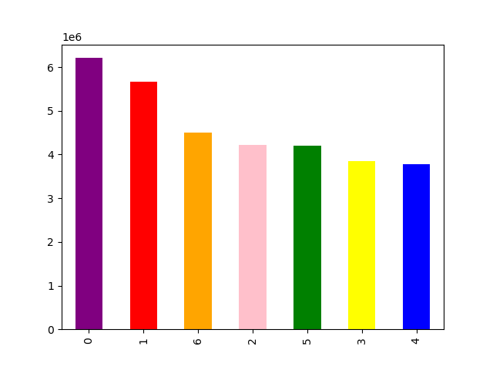

2. They also want to know whether there are particular times of the day when people spend the most money, as this might inform the type of products they advertise at these times.

 | Most money is spent between 03:00-07:00

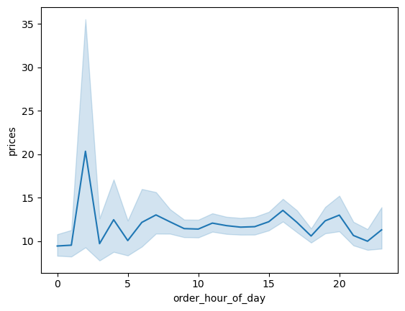

3. Instacart has a lot of products with different price tags. Marketing and sales want to use simpler price range groupings to help direct their efforts.



4. Are their certain types of products that are more popular than others? The marketing and sales team want to know which departments have the highest frequency of product orders.

 | Produce, Dairy eggs, snacks and bevearges are more popular products than pets alchol, babies and personal care product

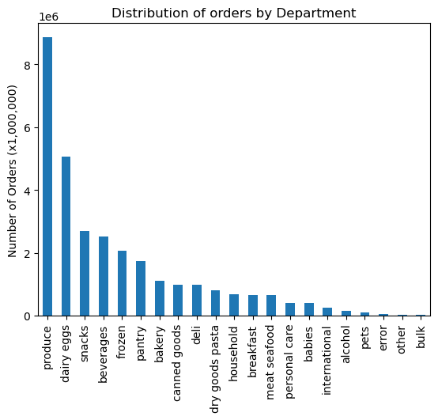

5. The marketing and sales teams are particularly interested in the different types of customers in their system and how their ordering behaviors differ.
a. What's the distribution among users in regards to their brand loyalty (i.e., how often do they return to Instacart)?

 | Regular Customers are greater than 10 orders and <= 40 orders
 | Loyal Customers are customers that order more than 40 orders
 | New Customers are under 10 orders


b. Are there differences in ordering habits based on customer's region?

 | Low spenders generate most of the revenue for instacart
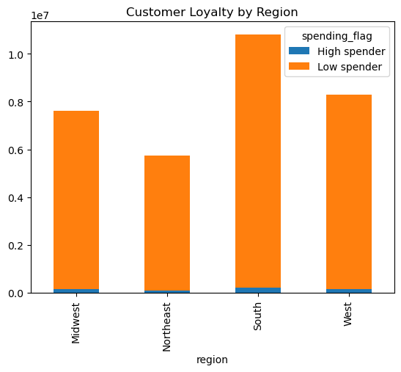

c. Is there a connection between age and family status in terms of ordering habits?

 | Most orders come from Age groups of 65 years and older and family ststus of married with dependants

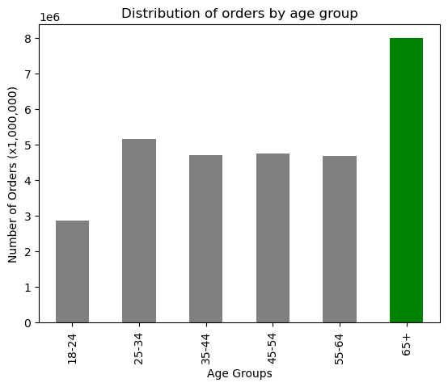
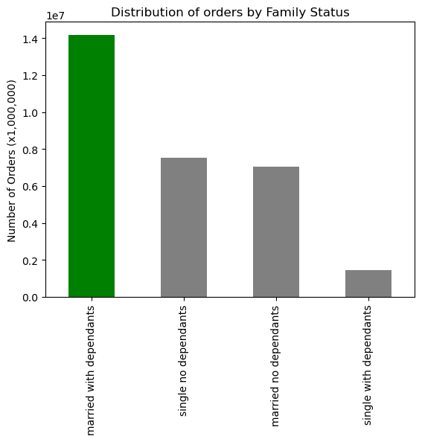

d. What different classifications does the demographic information suggest? Age? Income? Certain type of goods? Family status?

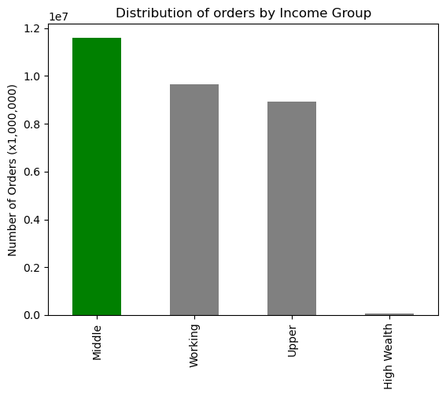



 |  | From age groups over 40 years income is higher

e. What differences can you find in ordering habits of different customer profiles? Consider the price of orders, the frequency of orders, the products customers are ordering, and anything else you can think of.

7. Recommendations
 |  |  | Title page

Recommendations

In this tab you should include any recommendations you would made to Instcart in terms of their marketing strategy based on the questions posed in the brief. Every key question has been covered in the Tasks of the Exercises - here you need to add an item - a visualisation or table/crosstable that is showing the answer in the data, acompanied by a comment from you. Please, list the questions below and add the answer underneath.

Question | Answer | Recommendation
1. The sales team needs to know what the busiest days of the week and hours of the day are (i.e., the days and times with the most orders) in order to schedule ads at times when there are fewer orders. | The busiest days of the week are Saturday and Sunday, whilst the least busiest days are Tuesday and Wednesday Busiest hours are between 10:00 - 16:00 and least busiest times are between 00:00-09:00 and 17:00-24:00 | I would recommend scheduling ads on Mondays which is just before the slowest days of Tuesday and Wednesday. Also around the time busiest times to get more customer engagement
2. They also want to know whether there are particular times of the day when people spend the most money, as this might inform the type of products they advertise at these times. | It appears that the most money is spent between 03:00-04:00. Between 9:00-and 20:00 the revenue remains constaint | Run specials on high priced items in the times when most money is spent like between 03:00-04:00. Also ensure that stock is high for lower priced items.
3. Instacart has a lot of products with different price tags. Marketing and sales want to use simpler price range groupings to help direct their efforts. | There is not much items that are over $15. | For items that are over $15 it would be good to target the higher income customers.
4. Are there certain types of products that are more popular than others? The marketing and sales teams want to know which departments have the highest frequency of product orders. | Top 5 departments are produce, dairy eggs snacks, beverages, and frozen. The Bottom 5 least popular departments are bulk, other, pets, alcohol and international. | It would be a good idea to look into the bottom 5 departments and see how advertising can increase there revenue. For instance lowering unit cost price when buying in bulk and targeting family status that are bigger.
5. What’s the distribution among users in regards to their brand loyalty (i.e., how often do they return to Instacart)? | Most Instacart users are regular customers, having returned to Instacart between 11 - 40 times. Loyal customers, customers who have returned more than 40 times, are the next in frequency. The least frequent loyalty group are new customers, who have returned 10 times or less to Instacart. | It would be good to target the regualr customers and provide some incentives on combination orders this will promote more loyal customers. Alos for New customers it would be good to have a sign up discount voucher
6. Are there differences in ordering habits based on a customer’s loyalty status? | All loyalty status being regular, loyal or new are relatively the same when it comes to ordering habits over different products | Advertising to all these groups for the lower spenders to spemd more
7. Are there differences in ordering habits based on a customer’s region? | The South region has the highest frequency of orders, followed by the West and Midwest regions. The Northeast region has the lowest frequency of customer orders. | I would recommend boosting advertising in the northeast region to boost sales and increase the market share there. As the product preference is the same across all regions, the emphasis for the ads would remain on the same top 5 products.
8. Is there a connection between age and family status in terms of ordering habits? | In all the age groups the married customers has the highest frequency of orders. | I would recommend an increase in ads targeting single customers to increase the market share of customers who fall into that group.
9. What different classifications does the demographic information suggest? Age? Income? Certain types of goods? Family status? | 18-24 2863486 25-34 5174711 35-44 4717028 45-54 4764253 55-64 4682612 65+ 7996741 Middle 11598040 Working 9634914 Upper 8919471 High Wealth 46406 married with dependants 14172840 single no dependants 7546387 married no dependants 7034121 single with dependants 1445483 | Would recommend the team to target the old aged customers since the number of old aged customers are quite comparable to the number of middle aged customers, as well as there spend can be higher due to the higher earnings that they can make

